AR Data Points 1
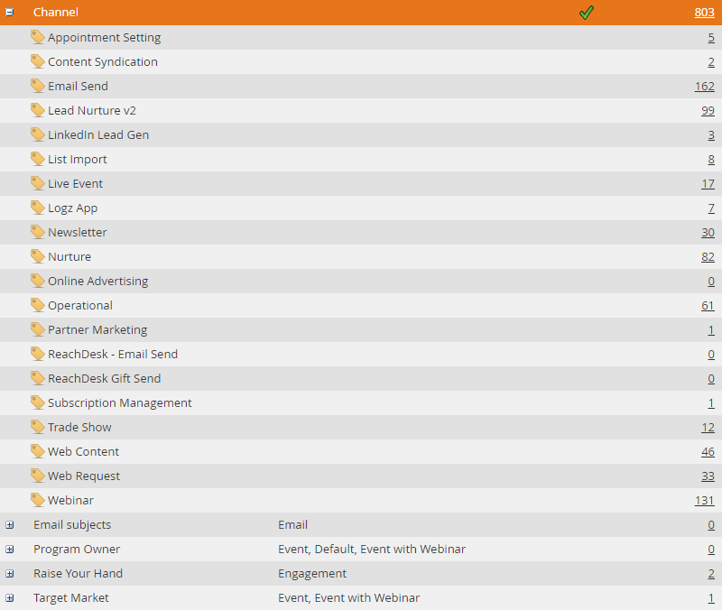
AR Data Points

instance acct prefix: Logz.io Marketo

Campaign Data | Default | Total | Definitions
Total Campaigns | 1905 | 1905
Active Campaigns | 307 | 307 | Active Campaigns = Active Triggered Campaigns + Scheduled Batch Campaigns
Total Triggered Campaigns | 976 | 976 | A trigger smart campaign affects one person at a time based on a triggered event. An example of a trigger would be clicking a link in an email. Cannot be scheduled for recurrence – only active or inactive
Active Triggered Campaigns | 251 | 251
Total Batch Campaigns | 384 | 384 | A batch campaign launches at a specific time and affects a specific set of people all at once. An example would be sending an email to all people in California. These will only have filters, no triggers
Re-occuring batch campaigns | 12 | 12
Scheduled Batch Campaigns | 0 | 0 | Batch campaigns that are scheduled for recurrences, such as daily, weekly, monthly
NOTE: This Data is pulled from the Campaign Inspector in Marketing Activities

Asset Data | Default | Total | This Asset Data includes all asset data for active and inactive assets
Landing Pages | 5 | 5
Forms | 52 | 52
Emails | 346 | 346
Snippets | 12 | 12 | Re-usable dynamic blocks of content that can be used on emails and landing pages. If you update the snippet, all the assets (landing pages or emails) using the snippet will be automatically updated.
Images and Files | 1184 | 1184
NOTE: This Data is pulled from the Design Studio

Database Data | Default | Total
Total # of Leads | 278061 | 278061 | Total Leads = The number of all-time people for that workspace.
# of Marketable Leads | 140535 | 140535 | Marketable Leads = The number of all-time people for the workspace, minus the following: people without an email address, people whose email has hard bounced, people that are blocklisted, people that have unsubscribed, people currently set to Marketing Suspended.
# of Possible Duplicates | 0 | 0
# of Unsubscribes | 82726 | 82726
# of Marketing Suspended | 116941 | 116941 | This field is set by the user for placing people on a temporary unsubscribe. People can only attain this status if they are manually changed or a change data value flow step is utilized.
NOTE: This Data is pulled from the Database Dashboard and the System Smart list Folders

Marketable leads % |  | 50.54%
Duplication % of database |  | 0%
Unsubscribe % of database |  | 29.75%
Marketing Suspended % of Database |  | 42.06%

Program Data | Total
# of Programs | 803
# of Channels Created | 0
NOTE: This Data is pulled from the Tags in the Admin Section

Programs Screenshot:

AR Data Points 2
Requested By CSM

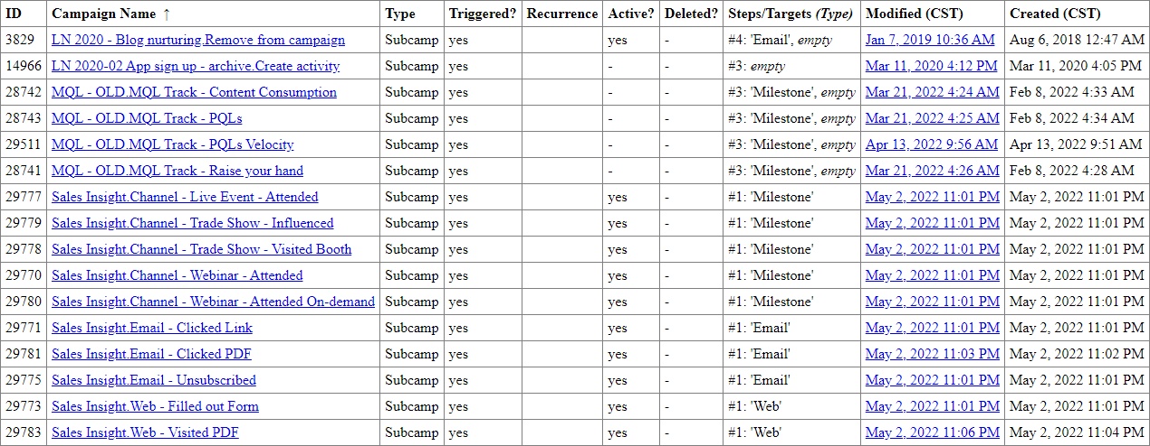
 | Interesting Moments | Total | Area for Improvement |  |  |  |  |  | Interesting Moments Screenshots
 | # of Interesting Moments | 21
 | NOTE: We check this data by looking at the back end of the Instance (Support Tools)
 | Interesting Moments Resources
 | Marketo Docs: Interesting Moment Overview
 | Marketo Docs: Using Interesting Moments
 | How to Create a Custom Interesting Moment Type
 | Using Interesting Moments Best Practices - DemandSpring
 | Marketo Interesting Moments vs. Tasks - MarketingRockStarGuides
 | 8 Marketo Interesting Moment Tips - Brent Levi
 | Interesting Moments in a Lead Lifecycle - LeadMD
 | Interesting Social Moments - Oktopost

 | Lead Scoring | Total | Yes (Y) |  | No (N) |  | Area for Improvement
 | # of Campaigns Using Scoring (This includes all campaigns using scoring. Active or Inactive) | 89
 | Are My Tokens Used?
 | Are scores being reduced when leads exhibit undesirable behavior?
 | NOTE: This data is pulled from the back end and we manually click through campaigns to see whetther they are using Mytokens and decay scoring
 | Lead Scoring Resources |  |  |  | Tokens Resources
 | Marketo Resources: Lead Scoring |  |  |  | Marketo Docs: Token Overview
 | Marketo's Definitive Guide to Lead Scoring |  |  |  | Marketo Docs: Managing My Tokens
 | Lead Scoring Cheat Sheet |  |  |  | Marketo Docs: Understanding My Tokens in a Program
 | Marketo Docs: Simple Scoring |  |  |  | Marketo Developer Docs: Rest API + Tokens
 | Marketo Docs: Account Score |  |  |  | Master Class with Beth Massura - Tokens, Templates & Snippets in Emails
 | Marketo-Fu: Lead Scoring with Marketo
 | How to Build a Lead Scoring System in Marketo
 | Marketo University - Lead & Data Management
 | Best Practices to Setting Up Lead Scoring - Perkuto

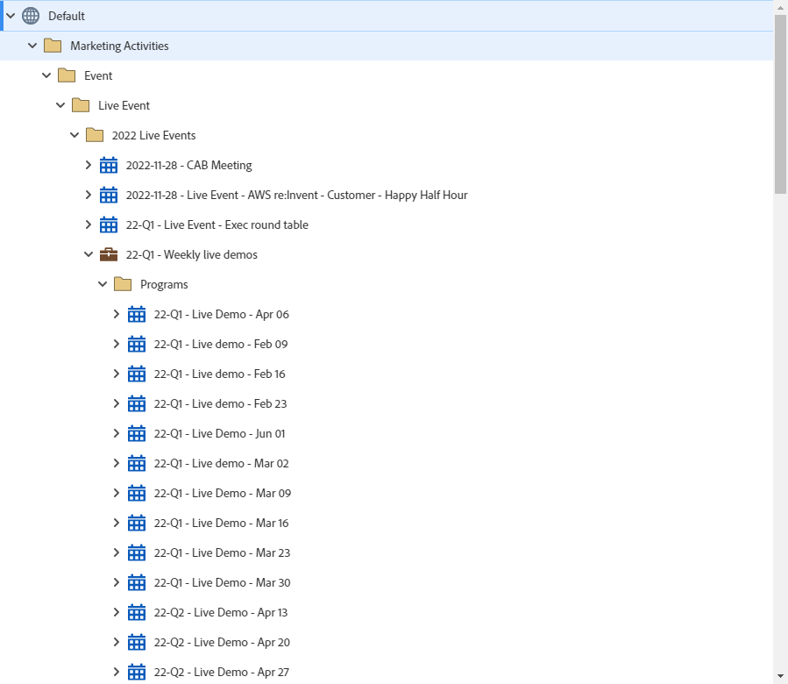
 | Event Campaigns | Yes (Y) |  | No (N) |  | Area for Improvement |  |  | Event campaigns Screenshot
 | Has the client created Event Campaigns in thier instance? | yes
 | NOTE: This Data is pulled from Marketing Activities by filtering by Event programs
 | Event Campaigns Resources
 | Understanding Event Programs
 | Create a New Event Program
 | Edit an Event Channel
 | Adding Members to an Event Program
 | LaunchPoint Event Partners

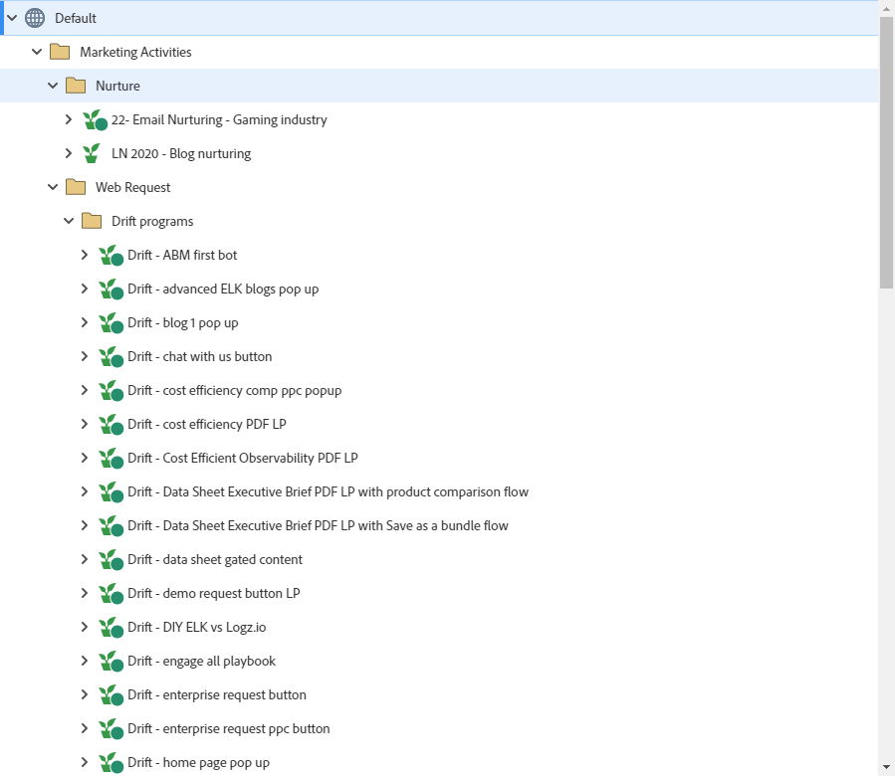
 | Nurture Campaigns | Yes (Y) |  | No (N) |  | Area for Improvement |  |  | Nurture Campaigns Screenshot:
 | Has the client created Nurture Campaigns in their instance? | yes
 | NOTE: This Data is pulled from Marketing Activities by filtering by Nurture Programs
 | Nurture Campaigns Resources
 | Marketo Best Practices – Pathway to Nurture
 | Marketo University: Lead Nurturing
 | Marketo Docs: Understanding Engagement Programs
 | Marketo Docs: Create an Engagement Program
 | Nurture Campaign Setup Discussion
 | Creating an Adaptable, Scalable Nurture Program Template in Marketo

 | Segmentations | Yes (Y) |  | No (N) |  |  |  | Segmentation Screenshot:
 | Has the client created Segmentations? | Yes |  |  |  |  |  | 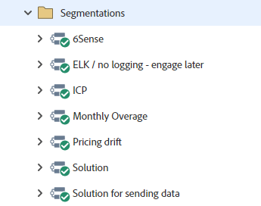
 | NOTE: This Data is pulled from Database by filtering by Segmentation
 | Segmentation & Dynamic Content Resources
 | Marketo Docs: Create a Segmentation
 | Segmentation Health Check Updates – Tips and Tricks for Keeping Your Segmentation Updated
 | Marketo Segmentation Success Guide
 | Marketo Docs: Define Segment Rules
 | Marketo Docs: Understanding Dynamic Content
 | Segment or Filter?
 | How to Effectively Segment Your Database for Lead Nurturing
 | Marketo eBook: How to Segment and Target Your Emails

 | Marketo Program Library | Yes (Y) |  | No (N)
 | Has the Client Imported a Template from the Marketo Program Library? | Yes
 | NOTE: We check this by looking through Marketing Activities and Design Studio
 | Program Library Resources
 | Marketo Docs: Import a Program
 | Marketo Docs: Guided Landing Page Templates

 | Data Management | Yes (Y) |  | No (N)
 | Has the client set up data management actions? | Yes
 | NOTE: We check this data by looking att the back end of the Instance (Support Tools)
 | Database Hygiene (Data Management) Resources
 | Get the Gold: Six Steps to Delete Bad Data
 | How to Clean Up Your Marketo Database
 | 5 Steps to a Squeaky Clean Database – Marketo
 | 5 Steps to Clean up your Marketo Database
 | Data Cleaning Discussion
 | Cleaning up The Database: The Big Sweep

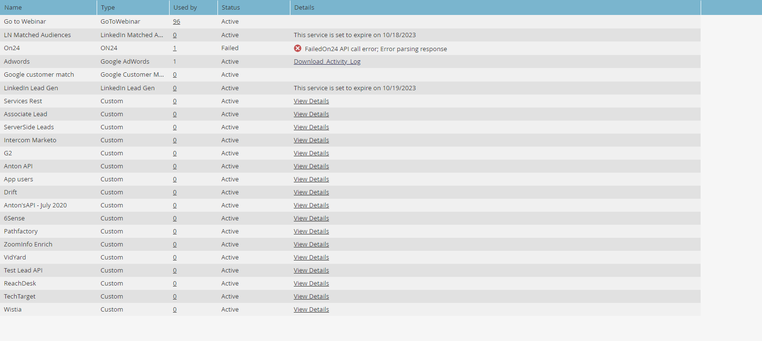
 | Integrations | Yes (Y) |  | No (N) |  |  |  |  | Integrations Screenshot:
 | Has the client set up integrations? | Yes
 | NOTE: This data is pulled from Launchpoint under Integration in Admin

 | Revenue Models | Yes (Y) |  | No (N) |  | Area for Improvement |  |  | Revenue Model Screenshot:
 | Has the client created Revenue Models? |  |  | Logz.io Marketo has not built out any Revenue Cycle Models in their instance yet. Models are generally for customers who are comfortable with smart campaigns and programs and want to take their analytics to the next level. If they would like to learn more about Revenue Cycle Models you can share the Revenue Model resources found below. |  |  |  |  | 
 | NOTE: This data is pulled from Analytics
 | Revenue Model Resources
 | Marketo Revenue Attribution Explained
 | Marketo Marketing Attribution - LeadMD |  |  |  |  |  |  |  | Approved Revenue Models
 | Reporting & Attribution in Marketo: Comparing Your Options
 | Setting Marketing Attribution in Marketo - RingLead
 | Marketo-Fu - Episode 15: Attribution Basics
 | Marketo Docs: Create a New Revenue Model
 | Marketo Docs: Understanding Revenue Models

 | Addtl Products | Yes (Y) |  | No (N) |  | Area for Improvement
 | Does the Client have Website Personalization? |  |  | The client has no Website Personalization set up. Here is a starting point for them on some common Marketo Partners and step-by-step instructions on installing each one:https://docs.marketo.com/display/public/DOCS/Web+Personalization+Overview
 |  | If Yes Screenshos will be found below
 | Does the Client have Target Account Management (TAM)? |  |  | The client has no TAM set up. Here is a starting point for them on some common Marketo Partners and step-by-step instructions on installing each one: http://docs.marketo.com/display/public/DOCS/Account+Based+Marketing+Overview
 |  | If Yes Screenshos will be found below
 | Does the Client have Predictive Content? |  |  | The client has no Predictive Content set up. Here is a starting point for them on some common Marketo Partners and step-by-step instructions on installing each one: https://docs.marketo.com/pages/releaseview.action?pageId=11385032
 |  | If Yes Screenshos will be found below

 | Web Personalization Screenshots

 | Top Campains |  |  | Top Content |  |  | Top Industries

 | Total Orgs |  |  |  | Top Orgs

 | Target Account Management

 | Overview:

 | Named Accounts: |  | NA

 | Open Opportunities: |  | NA

 | Pipeline: |  | NA

 | Top Named Accounts (by Pipeline)

 | Predictive Content Screenshot

 | Email Insights | Yes (Y) |  | No (N)
 | Does the Client have Email Insights? |  |  | Client has no Email Insights In subscription
 |  | If Yes Screenshos will be found below

